How To Use This Tool
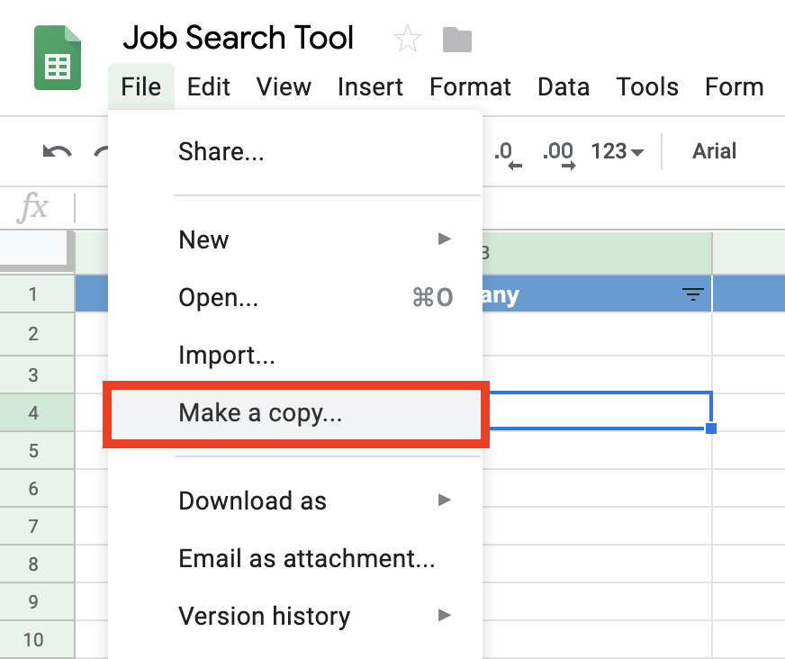
Instructions on how to use this tool:

